PLANNER
RACE GEAR READY
 | Packing Progress
Packed | 74%
<
>
2018-04-28 | OCR RACE PLANNER |  |  |  |  |  |  | Exercise | Diet | To calculate your sweat rate, exercise vigorously for 1 hour, note your start weight, your end weight, how much liquid you consume, and how much you urinate
RACE DATE
72.00 | DIETARY ANALYSIS (SUBSET) |  |  |  |  |  |  |  |  | Calculate Sweat Rate
 | CALORIES | CARBS | PROTEIN | FAT
THU | 360 | 48 | 16 | 12
THU | 105 | 27 | 1.3 | 0.4
THU | 160 | 32 | 4 | 2
THU | 230 | 11 | 25 | 9
FRI | 1200 | 132 | 56 | 48
FRI | 496 | 86 | 27 | 8
FRI | 160 | 32 | 4 | 2
FRI | 360 | 48 | 16 | 12
FRI | 105 | 27 | 1 | 0
FRI | 230 | 11 | 25 | 9
SAT | 160 | 32 | 4 | 2
SAT | 180 | 33 | 6 | 3
SAT | 360 | 48 | 16 | 12
SAT | 105 | 27 | 1.3 | 0.4
VIEW ALL
 |  |  |  |  |  |  |  |  |  | End Weight | 167 | lbs
DAYS TILL RACE |  |  |  |  |  |  |  |  |  | Drink | 0 | oz
170.00 |  |  |  |  |  |  |  |  |  | Urine | 0 | oz

WEIGHT (lbs) |  |  |  |  |  |  |  |  |  | Sweat Rate = |  | 0.8 oz/min



 | GENERAL NEEDS INFORMATION |  |  |  | RED=RECOMMENDED/GREEN=ACTUAL | Calculated based on weight
 |  | CHO Morning of Race: | 231.33 g | 140 g |  | H20 Morning of Race: | 385.55-539.77ml
 |  | CHO 1 Hour Before Race: | 77.11 g |  |  | H20 1 Hour Before Race: | 231.33-385.55ml
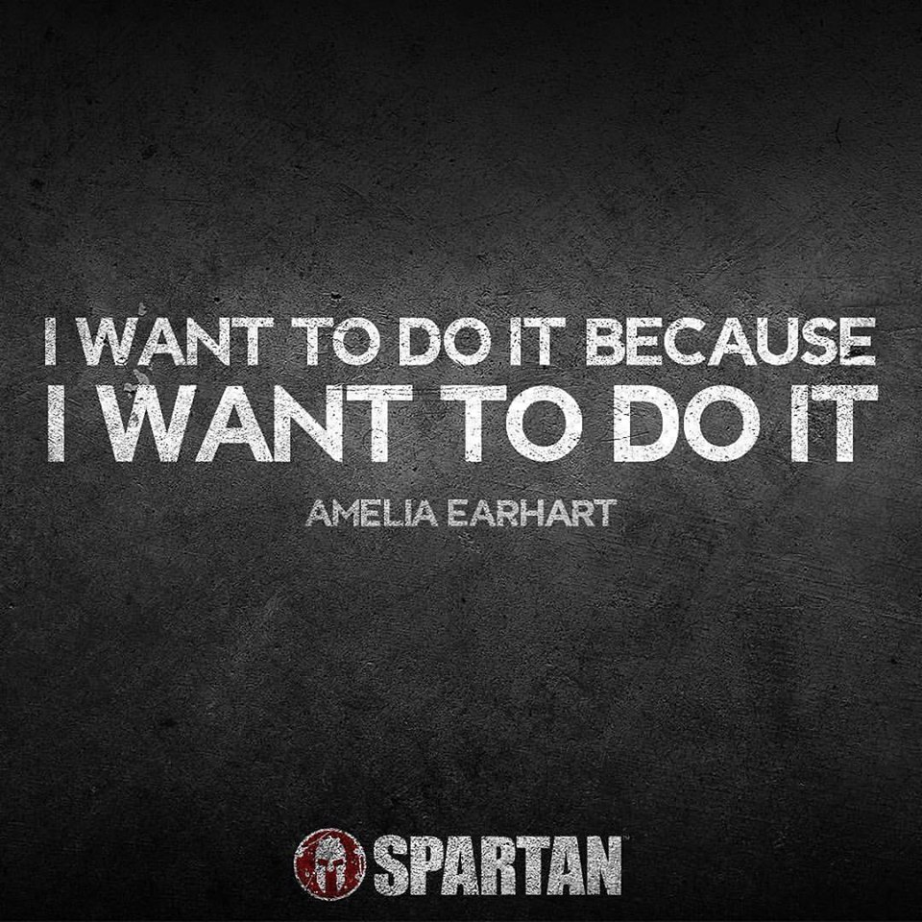
 |  | CHO During Race: | 60g /hr |  |  | Daily Carbs, Race Week: | 385.55-771.11 grams/day |  | 228.16666667
 |  | CHO After Race: | 77.11 g/hr |  |  | Daily Protein, Race Week: | 115.67-131.09 grams/day |  | 106.36666667
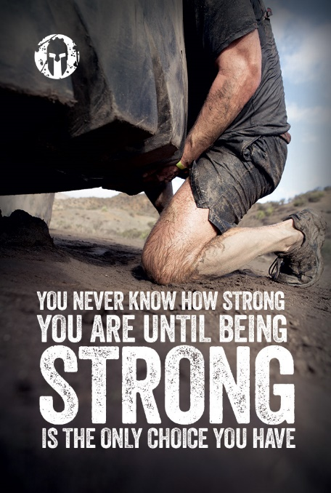
 |  | Protein After Race: | 25.7 g/hr |  |  | Drink while Running: | 48 Fluid Ounces per Hour
 | MANTRA | Create a mantra to help you through the difficult times |  |  |  |  | PACES
 | The burpees are almost done, the burpees are almost done |  |  |  |  |  | RACE PACE: | 20Min/Mile
 |  |  |  |  |  |  | BURPEE PACE: | 3 MINS

MEAL PREP
<
>
RACE WEEK MEAL PREP |  |  |  |  | Goals | Exercise |  | 2018-04-28
0 |  |  |  |  |  |  |  |  |  | Recommended | Planned
DATE | TIME | DESCRIPTION | CALORIES | CARBS (CHO) | PROTEIN | FAT | Day of Week | NOTES | CHO Morning of Race: | 231.33 g | 140 g
2018-04-23 | Breakfast | Banana | 105 | 27 | 1 | 0 | Monday |  | CHO 1 Hour Before Race: | 77.11 g
2018-04-23 | Lunch | Cheesesteak | 1160 | 140 | 48 | 46 | Monday |  | CHO During Race: | 60g /hr
2018-04-23 | Snack | Gimballs Jelley Beans | 140 | 35 | 0 | 0 | Monday |  | CHO After Race: | 77.11 g/hr
2018-04-23 | Dinner | Tacos | 400 | 30 | 20 | 20 | Monday |  | Protein After Race: | 25.7 g/hr
2018-04-24 | Dinner | Tuna | 586 | 0 | 69 | 25 | Tuesday |  | H20 Morning of Race: | 385.55-539.77ml
2018-04-24 | Breakfast | Banana | 105 | 27 | 1 | 0 | Tuesday |  | H20 1 Hour Before Race: | 231.33-385.55ml
2018-04-24 | Breakfast | Bluebery Muffin | 350 | 55 | 6 | 12 | Tuesday |  | Daily Carbs, Race Week: | 385.55-771.11 grams/day | 228.16666667
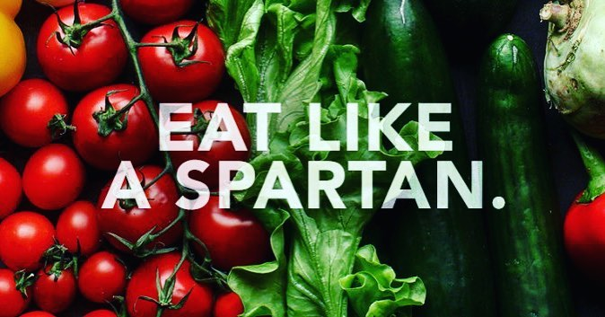
2018-04-24 | Snack | Beef Jerkey | 220 | 2 | 32 | 4 | Tuesday |  | Daily Protein, Race Week: | 115.67-131.09 grams/day | 106.36666667
2018-04-24 | Lunch | Turkey Sandwich | 460 | 94 | 36 | 8 | Tuesday
2018-04-24 | Dinner | Pizza | 855 | 108 | 36 | 30 | Tuesday
2018-04-24 | Snack | Protein Cookie | 360 | 48 | 16 | 12 | Tuesday
2018-04-25 | Snack | Protein Shake | 230 | 11 | 25 | 9 | Wednesday
2018-04-25 | Snack | Protein Cookie | 360 | 48 | 16 | 12 | Wednesday
2018-04-25 | Breakfast | Banana | 105 | 27 | 1 | 0 | Wednesday
2018-04-25 | Lunch | Chicken Parm | 640 | 87 | 46 | 12 | Wednesday
2018-04-26 | Dinner | Chicken Alfredo | 475 | 7 | 60 | 15 | Thursday
2018-04-26 | Lunch | Bacon Cheeseburger | 420 | 29 | 22 | 24 | Thursday
2018-04-26 | Snack | Protein Cookie | 360 | 48 | 16 | 12 | Thursday
2018-04-26 | Breakfast | Banana | 105 | 27 | 1 | 0 | Thursday
2018-04-26 | Breakfast | Oatmeal | 160 | 32 | 4 | 2 | Thursday
2018-04-26 | Snack | Protein Shake | 230 | 11 | 25 | 9 | Thursday
2018-04-27 | Lunch | Everything Pizza | 1200 | 132 | 56 | 48 | Friday | BIG MEAL!
2018-04-27 | Dinner | Pasta | 496 | 86 | 27 | 8 | Friday
2018-04-27 | Breakfast | Oatmeal | 160 | 32 | 4 | 2 | Friday
2018-04-27 | Snack | Protein Cookie | 360 | 48 | 16 | 12 | Friday
2018-04-27 | Breakfast | Banana | 105 | 27 | 1 | 0 | Friday
2018-04-27 | Snack | Protein Shake | 230 | 11 | 25 | 9 | Friday
2018-04-28 | Before Race | Oatmeal | 160 | 32 | 4 | 2 | Saturday | Early
2018-04-28 | Before Race | Starbucks Coffee | 180 | 33 | 6 | 3 | Saturday | On route to venue
2018-04-28 | Before Race | Protein Cookie | 360 | 48 | 16 | 12 | Saturday | 1 Hour Before
2018-04-28 | Before Race | Banana | 105 | 27 | 1 | 0 | Saturday | On route to venue

GEAR LIST
<
>
 |  | RACE GEAR CHECKLIST

 |  | ITEM | CATEGORY | COUNT | PACKED
 |  | Compression Shirt | Clothes | 1 | 1
 |  | Compression Shorts | Clothes | 1 | 1
 |  | Compression Socks | Clothes | 1 | 1
 |  | Aspirin or Ibuprofen (dropbin) | First-Aid | 1 | 1
 |  | Band-Aids (dropbin) | First-Aid | 1 | 0
TIP: Change any 'Packed' cell to a 1 for a green checkmark, or a 0 (zero) for no checkmark.
 |  | First Aid Antiseptic Wipes (dropbin) | First-Aid | 1 | 0
 |  | First Aid Burn Cream (dropbin) | First-Aid | 1 | 1
 |  | Hydration Pack | Gear | 1 | 1
 |  | Bladder for Hydration Pack (dropbin) | Gear | 2 | 1
 |  | OCR Shoes | Gear | 1 | 1
Packed | 74% | Towel / Dry Robe (dropbin) | Gear | 1 | 0
 |  | Tailwind (ready for hydration pack) | Nutrition | 2 | 1
 |  | Carbs (Snack / Sour Patch Kids / ETC) | Nutrition | 4 | 1
 |  | Gu / Gel / Power Bar | Nutrition | 4 | 1
 |  | Body Glide or Trail Toe (or similar) (dropbin) | Nutrition | 2 | 1
 |  | Glow Sticks (dropbin) | Safety | 2 | 1
 |  | Headlamp (dropbin) | Safety | 1 | 1
 |  | Medical Tape (dropbin) | First-Aid | 1 | 1
 |  | Pocket Knife (dropbin) | Safety | 1 | 1
 |  | Extra Batteries for Headlamp (dropbin) | Safety | 3 | 1
 |  | Protein Cookie | Nutrition | 2 | 0
 |  | Banana | Nutrition | 1 | 0
 |  | Bladder for Hydration Pack (dropbin) | Gear | 1 | 0
 |  |  |  |  | 0

